Instructions
Expense-Match Budget Detail Worksheet Instructions

• Complete the Budget Worksheet using the instructions below.
 | If you need further assistance, please contact Planning, Grants, and Research at pgr@isp.idaho.gov or 208-884-7040

• Transfer the expense category totals to the Expense Budget section of the application in the PGR Grants Management
System (GMS) and the match category totals to the Match Budget section (if applicable).

• Attach in GMS as an Excel Spreadsheet (Not PDF)
 | Attach the Excel worksheet to the application in GMS under the Attachments section.

• You may refer to the Department of Justice (DOJ) Financial Guide for assistance on allowable costs.

Please note:
 | Each cell contains a character limit.
 | Totals automatically round to the nearest dollar.
 | The Match Budget section in GMS only appears on applications if match is required.

Budget Narrative Guidelines
 | The budget narrative must thoroughly and clearly describe every expense listed under that category.

 | The narrative must include a full description of all costs and how funds will be allocated with other funding sources.
 | For example, if the personnel, item, or travel will work for more than one project, costs should be shared proportionately.

 | Describe cost effectiveness in relation to potential alternatives.
 | For example, describe why in-person meetings or trainings are needed versus webinars or conference calls.

 | Narratives must explain how the cost was estimated and calculated.

 | All costs must be relevant to the completion of the proposed project.

Match Instructions
• The solicitation will indicate if match is required.
• Match must be listed on the Expense Budget Worksheet. Click the box to the right of the item to identify it as match.
 | Identify and explain your intended match in the budget narrative section.
• Match is a percentage of your total project cost. Please see the solicitation for match requirements for your project.

 | Calculating Match

 | Award Amount ÷ 75% (federal share) = Adjusted Project Cost x 25% (applicant share) = Required Match

 | Example: 75% / 25% match requirement for an award amount of $350,000

 |  | $350,000 ÷ 75% = $466,667 x 25% = $116,667 mach
Personnel and Fringe Benefits
• List each Personnel item separately.
 | Include a separate line for salary and a separate line for fringe/benefits.
• Name/Position: Include the name and position of the personnel if available.
• Calculation: Show how you have calculated the total amount, including annual salary or hourly pay rate, fringe benefits,
 | and percentage of time or number of hours dedicated to grant activities.
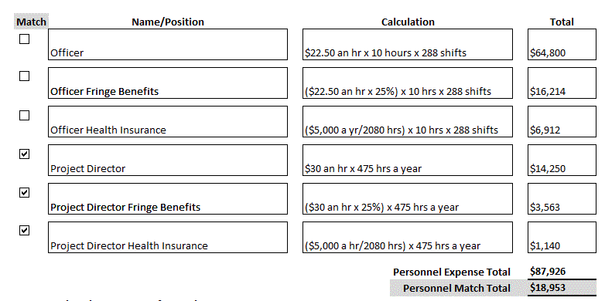

Personnel and Fringe Benefits Budget Narrative: Please justify the personnel and fringe benefit expenses in this section.
 | • The Personnel and Fringe Benefits Narrative must include an explanation of the calculation for each personnel listed.
 | • Personnel included in your grant budget should be discussed and justified in the grant narrative in GMS.

Operating/Consultants/Contracts
• Operating: This budget category includes expendable items (supplies), general operating expenses, consultants, and contracts.
 | Items (supplies/general operating) and Consultants/Contracts (including consultant travel) are listed separately.

• Individual Consultants: Information on the service provided by the consultant must be included in the budget narrative. Personnel consultant fees exceeding $650 per 8-hour day or $81.25 per hour require additional justification and approval from the Bureau of Justice Assistance (BJA) or Office on Violence Against Women (OVW). This does not mean that the rate can or should be the maximum limit for all consultants. If applicable, rates should be based on the salary a consultant receives from his or her primary employer. The consultant rate agreement file must contain a documented market analysis and justification of the agreed upon rate. Resources to determine current market value include: Competitive contract bids and/or the Bureau of Labor Statistics Wage Data by Area and Occupation web site http://www.bls.gov/bls/blswage.htm. Consultant expenditures without this supporting documentation may be questioned during an audit or monitoring review.

• Consultant expenses including travel (list location if available), per diem, etc. must also be included in the calculation and explained in the budget narrative.

• Contracts: Provide a description of the product or service to be procured by contract and an estimate of the cost. Applicants are encouraged to promote free and open competition in awarding contracts. Additional justification and BJA/OVW approval is required for sole source contracts exceeding $150,000.

• Consultant Versus Contracts Clarification: If consultants are employed by commercial and not-for-profit organizations, they are normally subject to competitive bidding procedures and thus are not subject to the compensation threshold. Therefore, contracting with a private company to provide training would fall under the rules applicable to contracts, not consultants.
*The applicant must indicate in the budget narrative which formal written procurement policy they are following: their organization's or the state's.

Travel
• Travel expenses need to be identified by location, if known, and item (airfare, lodging, per diem, etc.).
 | The purpose of the travel must be detailed in the budget narrative.
 | Visit the GSA website for current per diem information.
 | See the State of Idaho Travel Policy for guidance.
 | This is not for consultant travel. Consultant travel must be included in Operating/Consultants/Contracts.
• Travel budget narrative: Please justify the travel expenses in this section. How does this travel benefit the project?

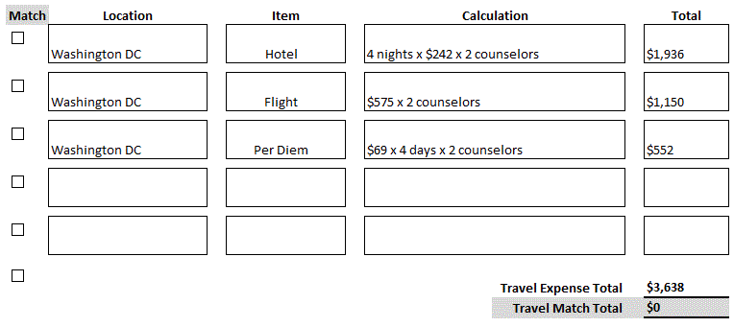

Equipment
• Equipment is defined in the DOJ Grants Financial Guide as “tangible, nonexpendable personal property having a useful life of more than 1 year and an acquisition cost of $5,000 or more per unit. A recipient/subrecipient may use its own definition of equipment provided that such definition would at least include all equipment defined above.” If an item does not meet this definition, it should be included in the Operating category. The benefit/purpose of the equipment must be described in the budget narrative.
Other
• The ONLY costs permitted in this category are confidential expenditures (buy money and confidential informant funds) and indirect costs. If confidential funds are requested, the applicant must review the Confidential Fund Guide and attach a signed copy of the Subgrantee Confidential Fund Certification. If indirect costs are requested, the current, approved indirect cost plan must be attached. Documents are attached under the Attachments section of the application in GMS.

If you have questions while completing this form, please contact PGR at pgr@isp.idaho.gov or call 208-884-7040

